Preface
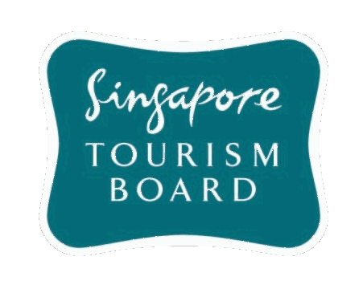
Singapore Tourism Board
Annual Report On Tourism Statistics
2013
Published Date: October 2014

PREFACE
Note: F&B Revenue (Table 27, D. Hotel Statistics) and listing of Large Hotels for Room Stock In Gazetted Hotels (As at 31 December 2013) (Table 29, D. Hotel Statistics) revised as of December 2014.

Annual Report on Tourism Statistics 2013 (ISSN 0218-4567) is published by the Research & Statistics Department, Research Division, Singapore Tourism Board. This publication serves as a reference to the trends and performance of visitor arrivals, expenditure statistics and hotel sector of the tourism industry. ©2014 Singapore Tourism Board. All rights reserved. No part of this publication may be reproduced, distributed, or transmitted in any form or by any means, electronic, mechanical, photocopying, recording or otherwise, without the prior permission of STB, or as otherwise permitted herein. Contents of this report may be reproduced accurately in part in other publications if STB is acknowledged and attributed as copyright owner. STB shall not be liable for any loss, damage or injury caused by or arising out of the use of the data in this publication. All information in this publication are deemed to be correct at time of printing.

